Sheet1
EmpID | FirstName | LastName | Performance Score | Current Employee Rating
3427 | Uriah | Bridges | Fully Meets | 4
3428 | Paula | Small | Fully Meets | 3
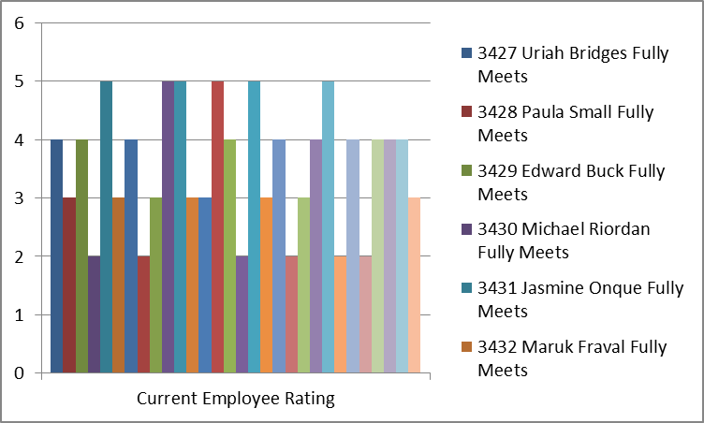
3429 | Edward | Buck | Fully Meets | 4
3430 | Michael | Riordan | Fully Meets | 2
3431 | Jasmine | Onque | Fully Meets | 5
3432 | Maruk | Fraval | Fully Meets | 3
3433 | Latia | Costa | Exceeds | 4
3434 | Sharlene | Terry | Fully Meets | 2
3435 | Jac | McKinzie | Exceeds | 3
3436 | Joseph | Martins | Fully Meets | 5
3437 | Myriam | Givens | Fully Meets | 5
3438 | Dheepa | Nguyen | Fully Meets | 3
3439 | Bartholemew | Khemmich | Fully Meets | 3
3440 | Xana | Potts | Fully Meets | 5
3441 | Prater | Jeremy | Exceeds | 4
3442 | Kaylah | Moon | Exceeds | 2
3443 | Kristen | Tate | Fully Meets | 5
3444 | Bobby | Rodgers | Fully Meets | 3
3445 | Reid | Park | Exceeds | 4
3446 | Hector | Dalton | Exceeds | 2
3447 | Mariela | Schultz | Fully Meets | 3
3448 | Angela | Molina | Fully Meets | 4
3449 | Gerald | Preston | Fully Meets | 5
3450 | Reilly | Moyer | Exceeds | 2
3451 | Carlee | French | Exceeds | 4
3452 | Jaydon | Blackburn | Fully Meets | 2
3453 | Bridger | Carter | Fully Meets | 4
3454 | Leon | Beard | Needs Improvement | 4
3455 | Charity | Miranda | Exceeds | 4
3456 | Axel | Howe | Fully Meets | 3

Sheet2
Row Labels | Count of Performance Score | Sum of Current Employee Rating
3427 | 1 | 4
Uriah | 1 | 4
3428 | 1 | 3
Paula | 1 | 3
3429 | 1 | 4
Edward | 1 | 4
3430 | 1 | 2
Michael | 1 | 2
3431 | 1 | 5
Jasmine | 1 | 5
3432 | 1 | 3
Maruk | 1 | 3
3433 | 1 | 4
Latia | 1 | 4
3434 | 1 | 2
Sharlene | 1 | 2
3435 | 1 | 3
Jac | 1 | 3
3436 | 1 | 5
Joseph | 1 | 5
3437 | 1 | 5
Myriam | 1 | 5
3438 | 1 | 3
Dheepa | 1 | 3
3439 | 1 | 3
Bartholemew | 1 | 3
3440 | 1 | 5
Xana | 1 | 5
3441 | 1 | 4
Prater | 1 | 4
3442 | 1 | 2
Kaylah | 1 | 2
3443 | 1 | 5
Kristen | 1 | 5
3444 | 1 | 3
Bobby | 1 | 3
3445 | 1 | 4
Reid | 1 | 4
3446 | 1 | 2
Hector | 1 | 2
3447 | 1 | 3
Mariela | 1 | 3
3448 | 1 | 4
Angela | 1 | 4
3449 | 1 | 5
Gerald | 1 | 5
3450 | 1 | 2
Reilly | 1 | 2
3451 | 1 | 4
Carlee | 1 | 4
3452 | 1 | 2
Jaydon | 1 | 2
3453 | 1 | 4
Bridger | 1 | 4
3454 | 1 | 4
Leon | 1 | 4
3455 | 1 | 4
Charity | 1 | 4
3456 | 1 | 3
Axel | 1 | 3
Grand Total | 30 | 106

